Sheet1
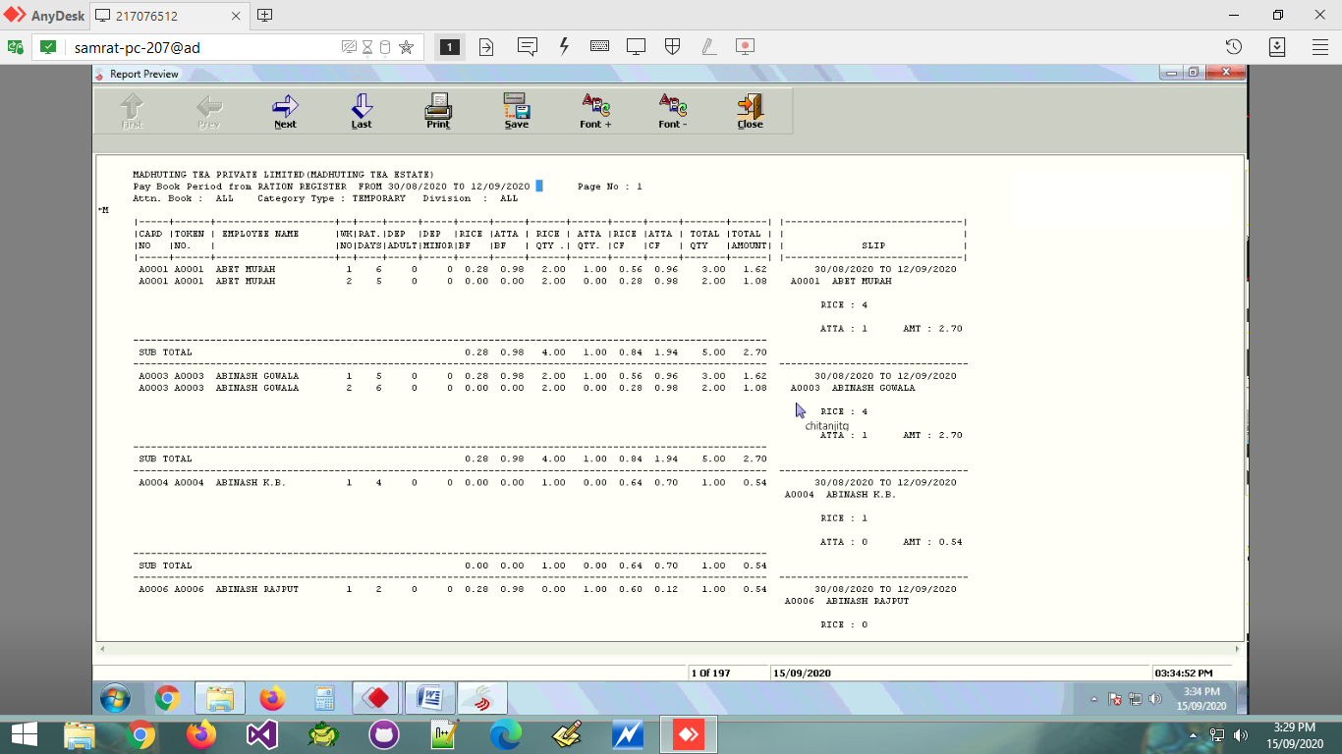
A0015 A0015 AJIT - KT 1 6 0 0 0.00 0.00 2.28 0.98 0.00 0.00 3.26 1.76

